Torquiose Pendant
PRODUCT PRICE WORKSHEET


Section:
Pendant

Product name:
Torquiose Pendant

SKU:
PEN-POL-TOR-28

MATERIAL COSTS
Material (metric) | Material Price | Quantity | Total Material Price | Vendors

Polymer Clay | $2.00 | 1 | $2.00
Wood Beads | $1.00 | 1 | $1.00
Findings | $0.50 | 1 | $0.50
Faux Suede thread | $0.10 | 1 | $0.10
 |  |  | $-
 |  |  | $-
 |  |  | $-
Sub-total |  |  | $3.60

LABOR COSTS
Labor | Number of hours | Hourly Wage | Total Labor | Notes

Don |  | $10.00 | $-
Sherrie | 1 | $10.00 | $10.00
 |  |  | $-
 |  |  | $-
 |  |  | $-
 |  |  | $-
Sub-total |  |  | $10.00

PACKAGING COSTS
Packaging | Qty | Cost | Total Packaging | Notes

Box | 1 | $3.00 | $3.00
 |  |  | $-
 |  |  | $-
 |  |  | $-
 |  |  | $-
 |  |  | $-
Sub-total |  |  | $3.00

OTHER COSTS
Description | Qty | Cost | Total Other Costs | Notes

 |  |  | $-
 |  |  | $-
Sub-total |  |  | $-

Material+Labor+Packaging+Other Costs |  |  | $16.60
 | Wholesale Price | 150% | $24.90
 | Retail Price | 200% | $33.20

SHIPPING
 | Shipping |  | $2.50

 |  | Sub-total

 | Retail Price + Shipping |  | $35.70

FACEBOOK FEES AND SALES TAX
 | Facebook Listing Fees | $0.20 | $-
 | Facebook Commission | 5% | $1.79
 | Direct Checkout | 3% + $0.25 | $-
 | Paypal | 2.9% + $0.30 | $-
 | Sales Tax | 9% | $3.21
 |  | Sub-total | $5.00

OTHER CHARGES
 | Rush Order |  | $-
 | Color Change |  | $-
 | Size Change |  | $-
 | Personalization |  | $-
 |  | Sub-total | $-

 |  | SUGGESTED PRICE | $38.20

Aztec Princess
PRODUCT PRICE WORKSHEET
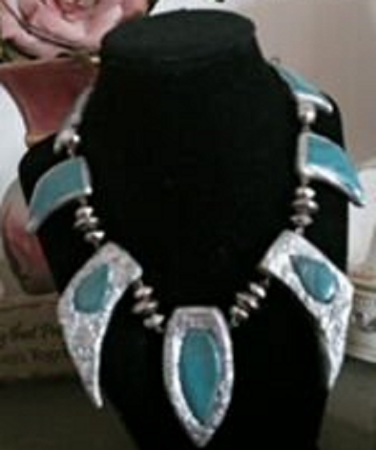

Section:
Pendant

Product name:
Torquiose Pendant

SKU:
PEN-POL-TOR-28

MATERIAL COSTS
Material (metric) | Material Price | Quantity | Total Material Price | Vendors

 |  |  | $-
 |  |  | $-
 |  |  | $-
 |  |  | $-
 |  |  | $-
 |  |  | $-
 |  |  | $-
Sub-total |  |  | $-

LABOR COSTS
Labor | Number of hours | Hourly Wage | Total Labor | Notes

 |  |  | $-
 |  |  | $-
 |  |  | $-
 |  |  | $-
 |  |  | $-
 |  |  | $-
Sub-total |  |  | $-

PACKAGING COSTS
Packaging | Qty | Cost | Total Packaging | Notes

 |  |  | $-
 |  |  | $-
 |  |  | $-
 |  |  | $-
 |  |  | $-
 |  |  | $-
Sub-total |  |  | $-

OTHER COSTS
Description | Qty | Cost | Total Other Costs | Notes

 |  |  | $-
 |  |  | $-
Sub-total |  |  | $-

Material+Labor+Packaging+Other Costs |  |  | $-
 | Wholesale Price | 150% | $-
 | Retail Price | 200% | $-

SHIPPING
 | Shipping

 |  | Sub-total

 | Retail Price + Shipping |  | $-

ETSY FEES AND SALES TAX
 | Etsy Listing Fees | $0.20 | $-
 | Etsy Commission | 5%% | $-
 | Direct Checkout | 3% + $0.25 | $-
 | Paypal | 2.9% + $0.30 | $-
 | Sales Tax | 6% | $-
 |  | Sub-total | $-

OTHER CHARGES
 | Rush Order |  | $-
 | Color Change |  | $-
 | Size Change |  | $-
 | Personalization |  | $-
 |  | Sub-total | $-

 |  | SUGGESTED PRICE | $-

Dashboard
 |  | Markup %: | 30%
Total Revenue | $752.68
Average Profit | $6.95
Highest Profit | $9.18
Top Performing Product | Collection01
Avg Cost per Product | $23.16
Total Profit | $34.74
Average Margin | 23%

Profit by Product
 | Profit
Pendant01 | $7.75
Earrings01 | $4.64
Bracelet01 | $5.62
Set01 | $7.55
Collection01 | $9.18

Cost Breakdown (Collection01)
 | Amount
Material | $10.00
Labor | $7.00
Packaging | $4.00
Shipping | $2.50
Fees | $5.00
Tax | $2.11

Revenue by Product
 | Total_Revenue
Pendant01 | $33.56
Earrings01 | $20.10
Bracelet01 | $24.35
Set01 | $32.71
Collection01 | $39.80

INSIGHTS
Collection01 generates the highest profit, indicating strong pricing performance
Earrings01 shows lower profitability, suggesting cost or pricing inefficiencies
Increasing markup improves total revenue but may impact competitiveness
Cost structure (materials + labor) is the largest driver of pricing

